Sheet1
satellite art practices
No. | Time | Project Title | Location | Artist&Group | Technical Support | Site | Type | Descripition | Work presentation and audience engagement | Images | Link | References
1 | 1965 | Orbital Sunrise | Soviet | Alexei Arkhipovich Leonov (USSR cosmonaut, artist) | Soviet Space Program (Voskhod-2 mission team, OKB-1 Design Bureau) | Low Earth Orbit (Voskhod-2 spacecraft, Soviet Union) | Drawing / Space-based artwork | During the Voskhod-2 mission, only four years after humanity’s first journey into outer space, cosmonaut Alexei Leonov brought colored pencils and paper into orbit. He tied the drawing tools to his wrist with a cord to prevent them from floating away in zero gravity and sketched the view of the Sun rising over Earth as seen through the spacecraft window. The resulting small drawing, Orbital Sunrise, is recognized as the first artwork created in outer space. | Originally a private act of artistic expression in orbit, the drawing was later preserved and exhibited on Earth. It was featured in the 2015 exhibition Cosmonauts: Birth of the Space Age at the Science Museum, London, where audiences could view the original sketch and archival footage of Leonov’s mission. | 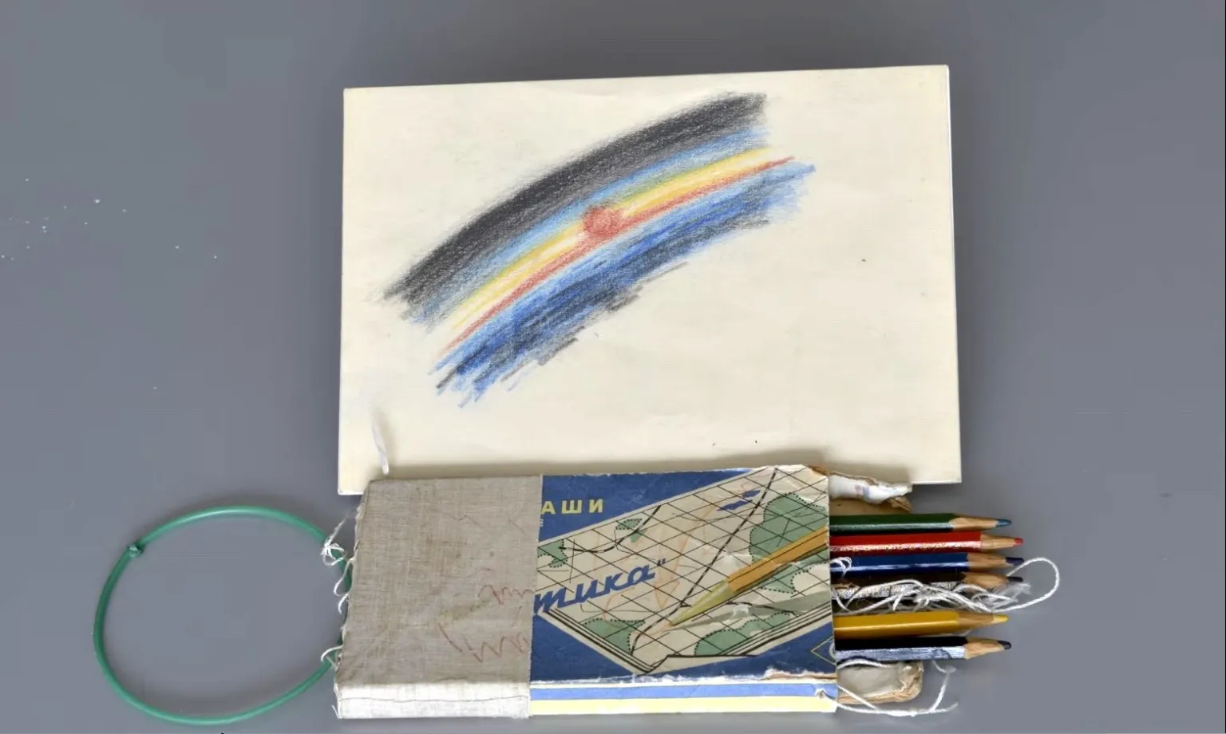 | https://climatecultures.net/museum-of-the-anthropocene/material-culture-inside-the-museum/orbital-sunrise-sketch-alexei-leonov/
2 | 1969 | The Moon Museum | America | Forrest Myers (initiator) with Andy Warhol, Robert Rauschenberg, David Novros, Claes Oldenburg, and John Chamberlain | Engineers at Bell Laboratories (miniaturisation / etching of drawings onto ceramic wafer); anonymous engineer at Grumman Aircraft involved in placement on lunar module. Apollo 12 | Moon | Artworks designed to be sent to the Moon. | The Moon Museum is conceived by Forrest Myers as the “first artwork to travel to the Moon”. He enlisted five other major American artists to each contribute a drawing. These six mini-drawings were etched or printed onto a ceramic wafer, using Bell Labs circuit-etching techniques. NASA did not officially approve, so the piece was covertly placed (by an engineer) aboard the Apollo 12 lunar module’s leg under the gold insulation blankets, and left on the lunar surface. | Originally the work was never officially exhibited in space (and its actual presence on the Moon remains disputed). On Earth, editions of the wafer have been shown in museums (for example at the Museum of Modern Art, New York). The Museum of Modern Art The project raises questions about art, space exploration, institutional permission, clandestine practice, and how artworks engage with extreme environments beyond Earth. | 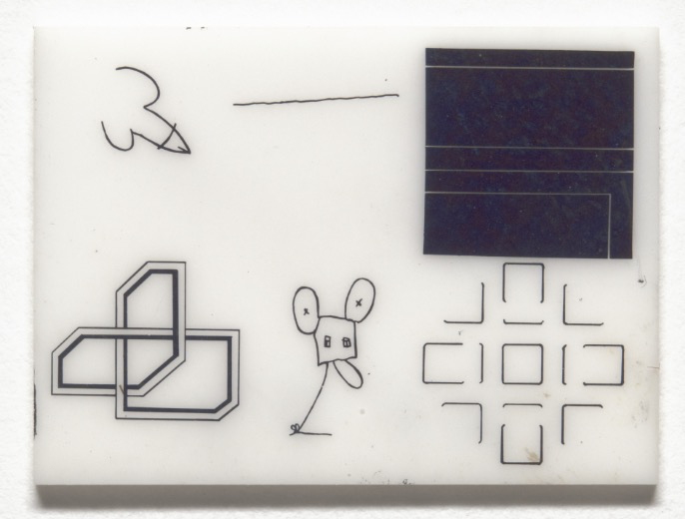 | https://www.moma.org/collection/works/62272?utm_source=chatgpt.com
3 | 1971 | Fallen Astronaut | America | Paul Van Hoeydonck (Belgian artist) NASA, United States | Apollo 15 mission crew (NASA, United States) Apollo 15 | Moon | Artworks designed to be sent to the Moon. Sculpture / Monument / Memorial Art | Fallen Astronaut is an 8.9 cm (3.5 in) aluminum sculpture created by Belgian artist Paul Van Hoeydonck to commemorate astronauts and cosmonauts who had lost their lives in the pursuit of space exploration. In 1971, the Apollo 15 crew secretly placed the figurine on the Moon alongside a commemorative plaque engraved with the names of 14 deceased space travelers (8 Americans and 6 Soviets). Unlike artworks that were brought back to Earth, this sculpture’s meaning depends on its permanent placement in the lunar environment. Van Hoeydonck later attempted to produce and sell 950 replicas, but under pressure from NASA’s non-commercialization policy, the project was halted. In 2019, the artist collaborated with a German gallery to release a limited edition of the work. | The original sculpture remains on the Moon, visible only through archival photos and mission documentation. Its Earth-based replicas and later exhibitions have provoked discussion about authenticity, commemoration, and the ethics of art beyond Earth. | 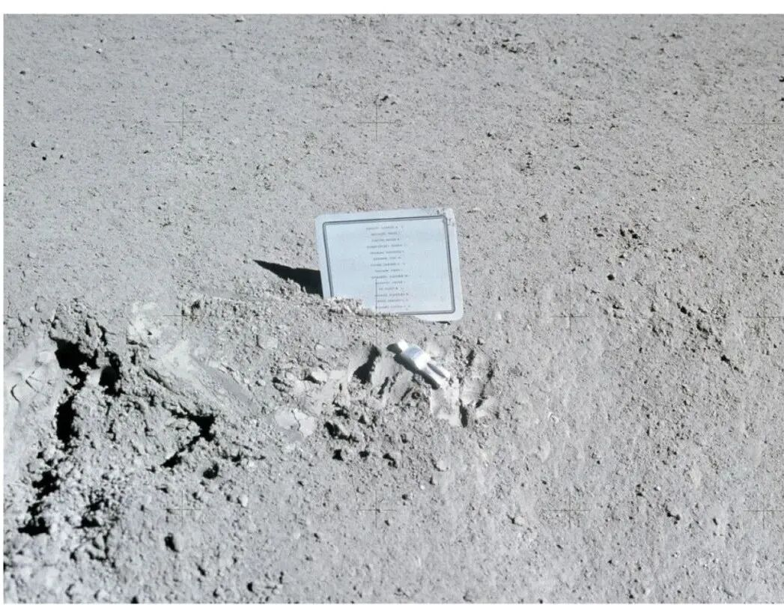 | https://en.wikipedia.org/wiki/Fallen_Astronaut?utm_source=chatgpt.com
4 | 1977 – present | Voyager Golden Record | America | 1977 – present (Voyager 1 and Voyager 2 missions launched in September 1977; left the solar system in 2012 and 2018 respectively Concept initiated by Carl Sagan (astronomer) and the Voyager Interstellar Record Committee: Frank Drake, Ann Druyan, Timothy Ferris, Jon Lomberg, Linda Sagan, et al. | NASA / Jet Propulsion Laboratory (JPL); Cornell University; NASA Ames Research Center | Aboard Voyager 1 and Voyager 2 spacecraft, each carrying the Golden Record attached to its bus structure — now traveling in interstellar space beyond the heliosphere, at the outer edge of the Solar System (~159 AU from Earth as of 2025). | orbit art Interstellar message / science–art hybrid / sound-and-image archive | Launched in 1977 as part of NASA’s Voyager missions, the Voyager Golden Record was conceived by astronomer Carl Sagan and his team as a cultural and artistic gesture embedded in a scientific probe. Each 12-inch gold-plated copper disc contains 118 images, 55 spoken greetings in different languages, 90 minutes of music from diverse civilizations, and a “sound essay” representing Earth’s natural and human environment. The record functions as both a scientific artifact and an artwork — a symbolic portrait of humanity drifting through interstellar space as a form of cosmic communication. | On the Earth Museum Though the original records are now beyond human reach, replicas and digital editions have been displayed on Earth at the Smithsonian National Air and Space Museum, MoMA, and other institutions. The project continues to inspire audiences through exhibitions, documentaries, and the 2017 Voyager Golden Record: 40th Anniversary Edition reissue by Ozma Records. | 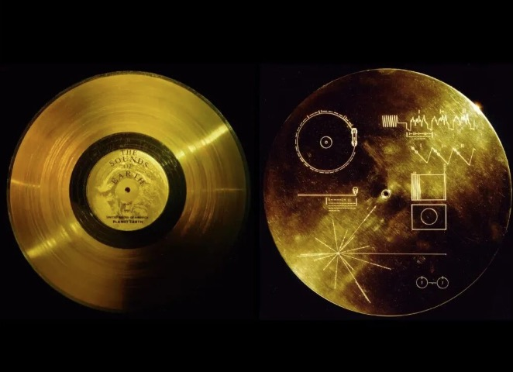 | https://science.nasa.gov/mission/voyager/voyager-golden-record-overview/
5 | 1977 | Satellite Arts Project | United States — real-time satellite link between the East and West Coasts | Sherrie Rabinowitz & Kit Galloway | NASA and AT&T | Earth | Performance + Experimental media art | Satellite video transmission and real-time image compositing (multi-camera satellite link) | Earth-based exhibition televised live performance living telecommunication performance TV |  | https://www.ecafe.com/getty/SA/index.html | Bureaud, Annick. "It's a Beautiful Name for a Satellite: Paradoxical Art Objects Somewhere between Politics and Poetics." Leonardo 54.1 (2021): 79-91.
6 | 1984.1.1 | Good Morning, Mr. Orwell | Live international satellite broadcast between WNET TV (New York) and Centre Pompidou (Paris) | Nam June Paik(白南准）Nam June Paik (with Joseph Beuys, John Cage, Laurie Anderson, Peter Gabriel, Oingo Boingo, Allen Ginsberg, Merce Cunningham, etc.) | WNET (USA), Centre Pompidou (France), Paik Video Studio, and global satellite relay network | Earth New York & Paris (with additional feeds from West Germany and South Korea) | Satellite Art / Telematic Art / Live Media Performance | Good Morning, Mr. Orwell (1984) was Nam June Paik’s first large-scale satellite television project, broadcast live on New Year’s Day to millions of viewers worldwide. It connected studios in New York and Paris via satellite link to create a global collage of art, music, and performance. Paik conceived the program as an optimistic response to George Orwell’s 1984, demonstrating how technology and television could unite rather than control human creativity. The event merged video art, live broadcasting, and avant-garde performance into a new form of transnational aesthetic experience, marking a milestone in the history of telematic and satellite art. | Earth-based exhibition live satellite TV broadcast New York–Paris–Seoul–West Germany TV | 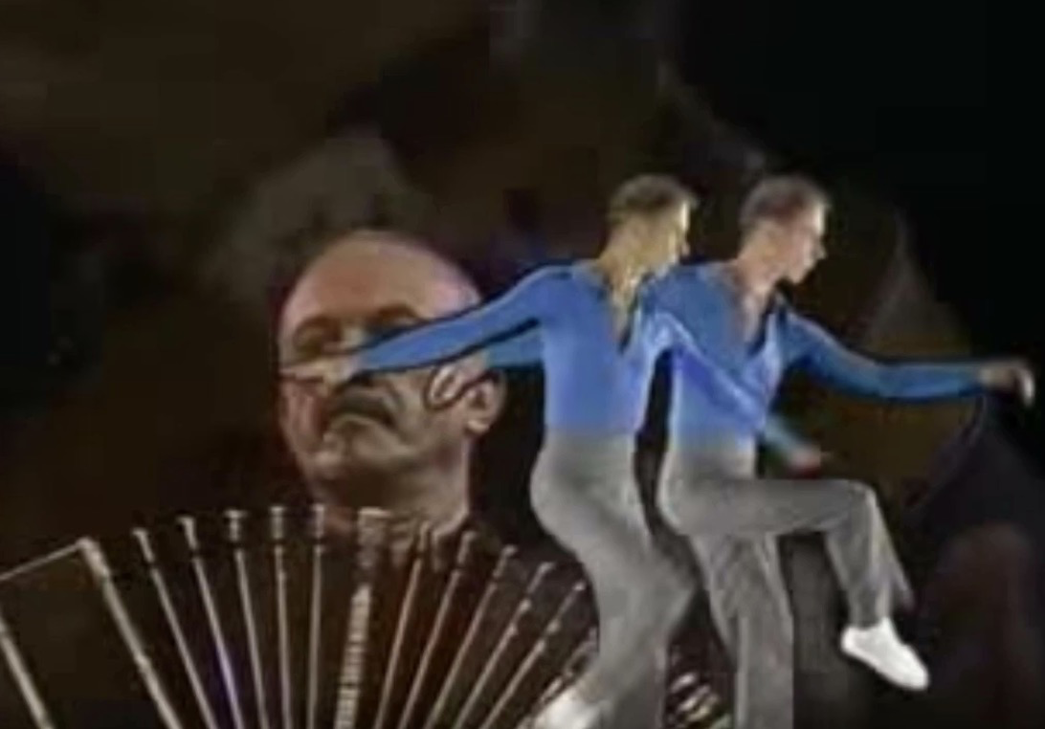 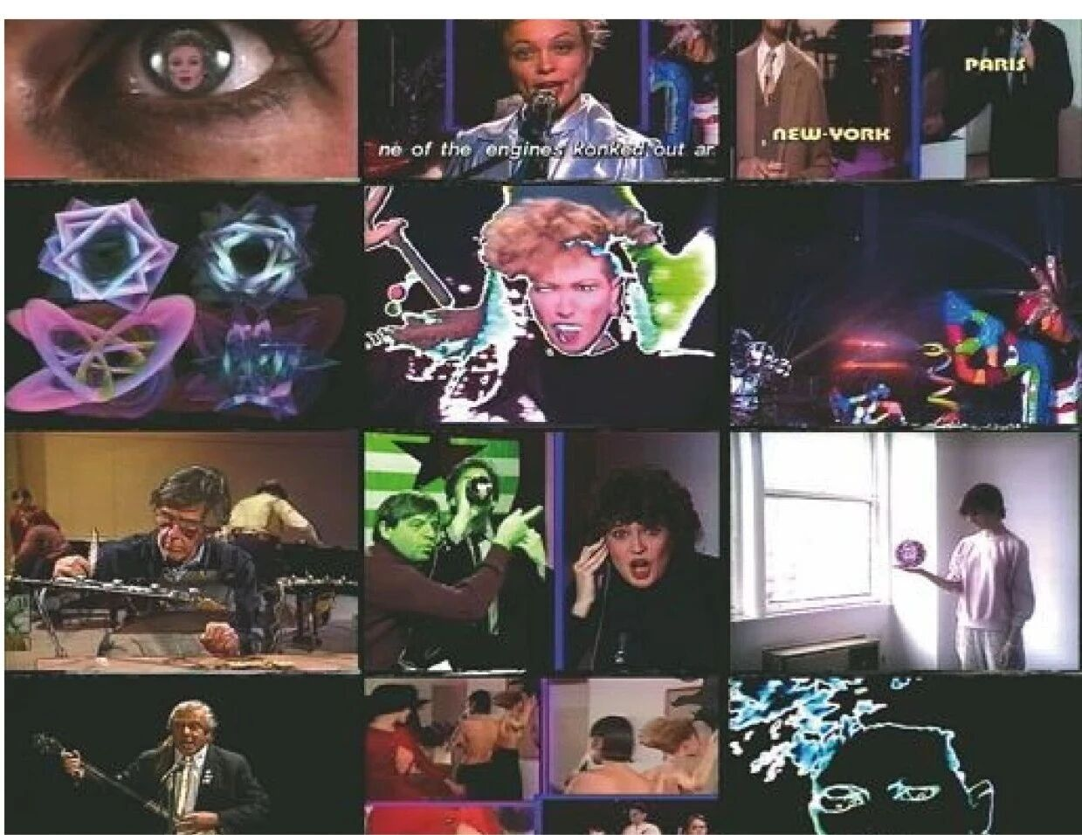 https://science.nasa.gov/mission/voyager/voyager-golden-record-overview/ | https://en.wikipedia.org/wiki/Good_Morning%2C_Mr._Orwell?utm_source=chatgpt.com
7 | 1995–1996 | Art Exhibition on Mir: “Space and Humanity” | Russia | Twenty international artists (organized under the theme Space and Humanity) | Russian Federal Space Agency (Roscosmos); Mir mission crew; onboard digital systems and portable computer support | Mir Space Station, orbiting Earth in Low Earth Orbit (LEO) | Orbital Art Work Space Station | In 1995, twenty paper-based artworks (each 21 × 30 cm) were created and selected on Earth under the theme “Space and Humanity”, then exhibited aboard the Russian Mir Space Station. This event marked the first art exhibition ever held in outer space. All artworks were digitized and stored on a portable computer for documentation. During the mission, the cosmonauts chose one drawing, When Dreams Are Born, as their favorite; it remained aboard Mir as a symbolic gesture, while the remaining nineteen works returned to Earth in 1996. | Space Station for Astronaut | 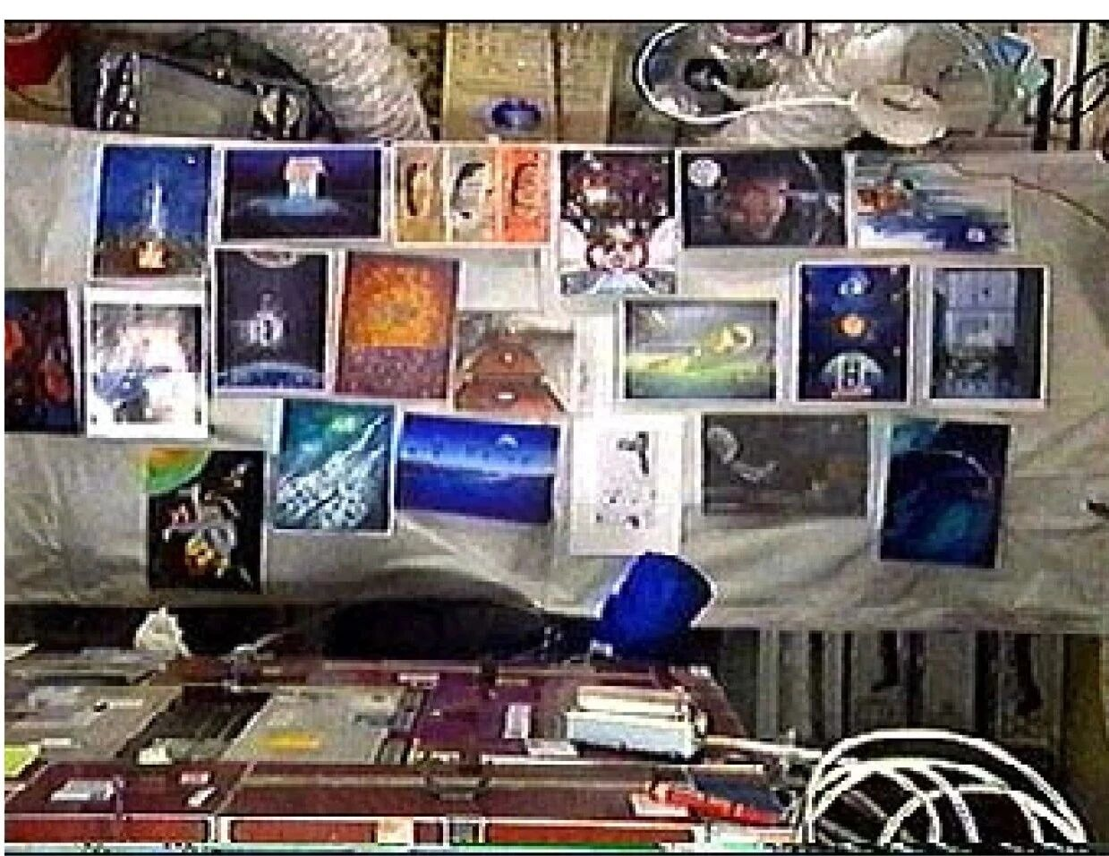 | https://thespaceoption.com/ars-ad-astra-the-1st-art-exhibition-in-earth-orbit/?utm_source=chatgpt.com
8 | 2003–2015 | Beagle 2 “Spot Painting” Calibration Target | United Kingdom | Damien Hirst (in collaboration with Beagle 2 Mars Lander Mission Team, led by Professor Colin Pillinger) | European Space Agency (ESA); University of Leicester; Open University; British National Space Centre | Surface of Mars, Isidis Planitia region — aboard the Beagle 2 lander attached to the Mars Express mission. | planetary art | British contemporary artist Damien Hirst was invited by the leader of the Beagle 2 project to combine his spot painting with the Mars lander. After the spacecraft’s landing in 2003, the artwork was used to calibrate the probe’s camera. The mission lost contact with Earth and was presumed failed. In 2015, NASA’s Mars Reconnaissance Orbiter captured an image of a small reflective point on the Martian surface—confirmed to be Beagle 2. The probe had successfully landed but failed to deploy, leaving Hirst’s painting intact, waiting to be discovered on Mars. | 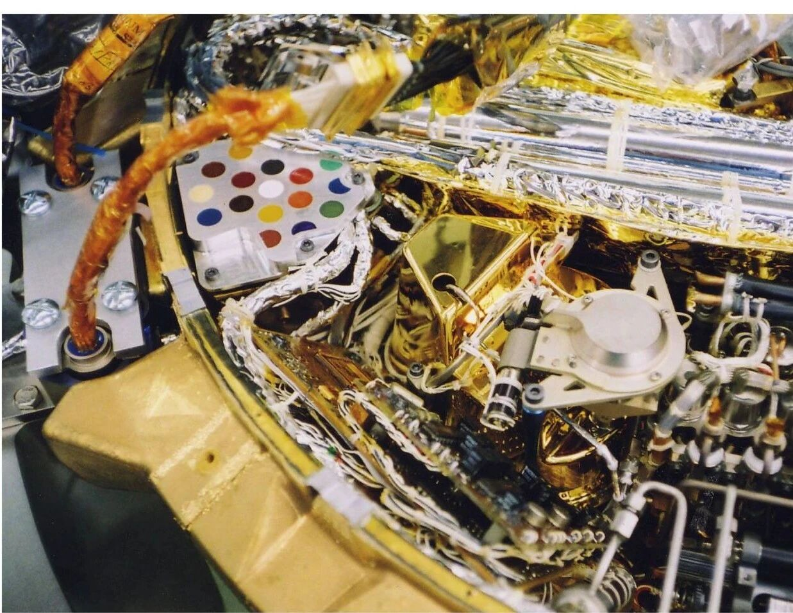 Located on Mars; a flight-spare version exhibited at the Fitzwilliam Museum, Cambridge. | 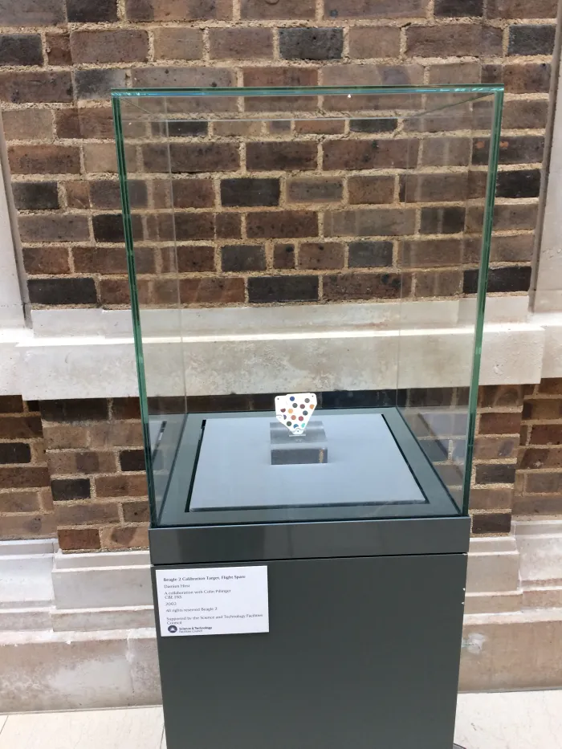 | https://meteoritestheblog.com/2016/11/13/spotted-on-mars/?utm_source=chatgpt.com https://artlyst.com/news/damien-hirst-first-art-on-another-planet-british-probe-found/
9 | 2018-2019 | Orbital Reflector | Deployed from Vandenberg Air Force Base, California, USA | Trevor Paglen (in collaboration with the Nevada Museum of Art) | Aerospace engineer team led by Global Western, in partnership with Spaceflight Industries; launch supported by SpaceX Falcon 9 rocket; Nevada Museum of Art provided institutional and curatorial backing | Low Earth Orbit approximately 575 kilometers above Earth | Satellite Art / Space Sculpture / Public Art in Orbit | Orbital Reflector was a 1.5 × 30 meter inflatable mylar sculpture designed by artist Trevor Paglen to become a visible artwork in Earth’s orbit. It was conceived as the first purely non-utilitarian satellite — a “space mirror” that would reflect sunlight and be visible from Earth as a bright moving star. Launched aboard a SpaceX Falcon 9 rocket in December 2018, the satellite was intended to remain in orbit for several weeks before de-orbiting and burning up harmlessly in the atmosphere. Due to a U.S. government shutdown in early 2019, communication with the satellite was lost before deployment of the reflective structure, and the mission remained symbolically rather than visually realized. Paglen’s project posed critical questions about visibility, aesthetics, and the cultural occupation of outer space. | Earth-based exhibition Orignally visible to the public with the naked eye. A reflective sculpture planned to unfold in orbit but failed to deploy. | 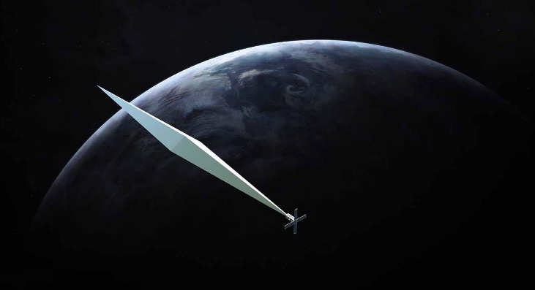 | https://en.wikipedia.org/wiki/Orbital_Reflector | Brownie, Barbara. Art in Orbit: Art Objects and Spaceflight. Bloomsbury Publishing, 2025. Print.p.30.
10 | 2018-2021 | ENOCH | United States | Tavares Strachan (Bahamas-born, US-based artist) | Los Angeles County Museum of Art (LACMA Art + Technology Lab); SpaceX (Falcon 9 launch vehicle); Northrop Grumman (satellite platform) | Low Earth Orbit (LEO), launched aboard a SpaceX Falcon 9 rocket and remained in orbit for approximately three years before reentry. | Orbital art / memorial sculpture / satellite art | In 2018, supported by the Los Angeles County Museum of Art, artist Tavares Strachan launched his sculpture ENOCH aboard a satellite carried by a SpaceX Falcon 9 rocket. The gold-plated canopic jar, combining Egyptian, Shinto, and biblical references, bears the likeness of Robert Henry Lawrence Jr., the first African American selected for a U.S. space program who died before going to space. Blessed at a Shinto shrine in Japan, the jar was conceived as a vessel for Lawrence’s spirit, orbiting Earth as a memorial for three years. | Orbited Earth for three years; related documentation and models exhibited at the Los Angeles County Museum of Art (LACMA). | 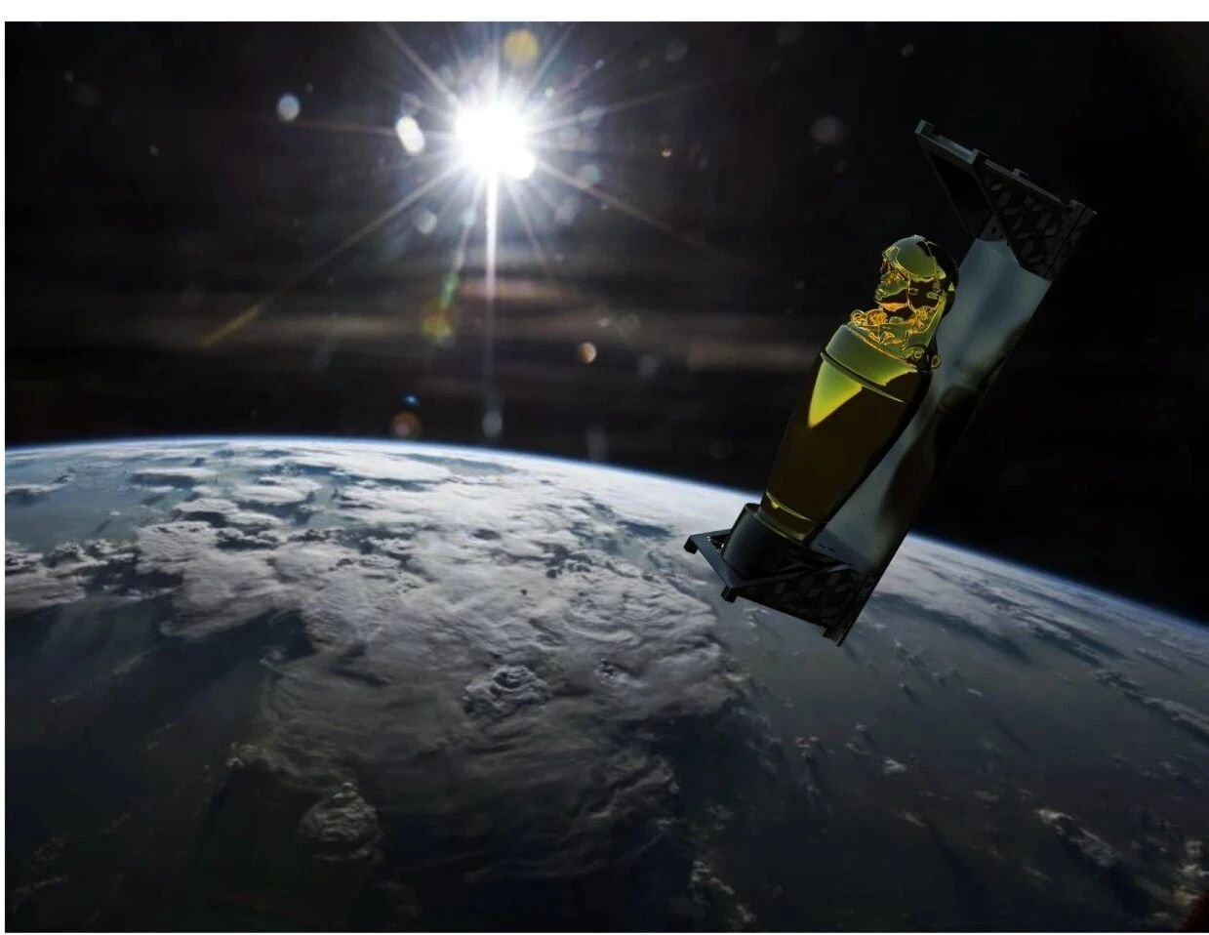 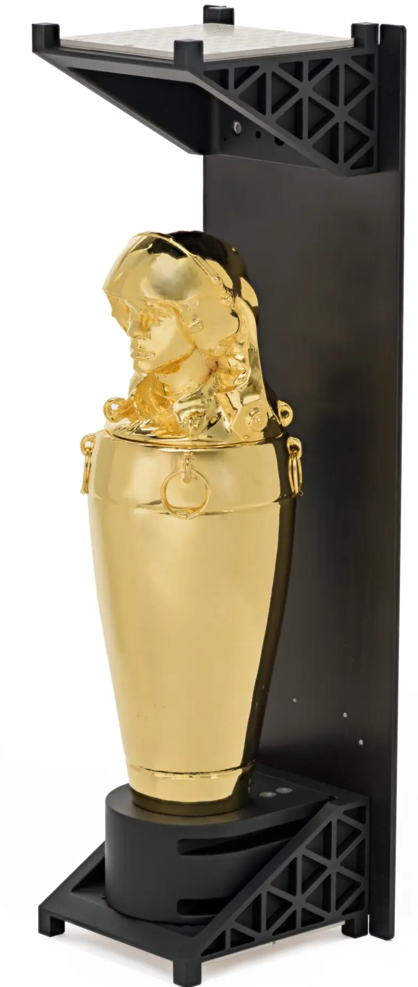 | https://artlab.hyundai.com/project/tavares-strachan-enoch
11 | 2019 | Living Distance | United States | Liu Xin (artist and engineer) | Blue Origin (New Shepard suborbital spacecraft) | Suborbital flight trajectory above the Kármán line, launched and recovered by Blue Origin’s New Shepard rocket. | Suborbital art / performance / conceptual installation | In May 2019, artist and engineer Liu Xin launched her artwork Dislocation, sending one of her wisdom teeth into space as a self-representative object. The payload, containing the tooth and a glass sculpture, was carried aboard Blue Origin’s New Shepard suborbital spacecraft and returned safely to Earth. A camera mounted inside the capsule recorded the tooth floating in microgravity. Following the launch, Liu created a video installation and a VR experience to document and reimagine this journey. | Suborbital space (microgravity environment); video and VR installation exhibited on Earth after flight. | 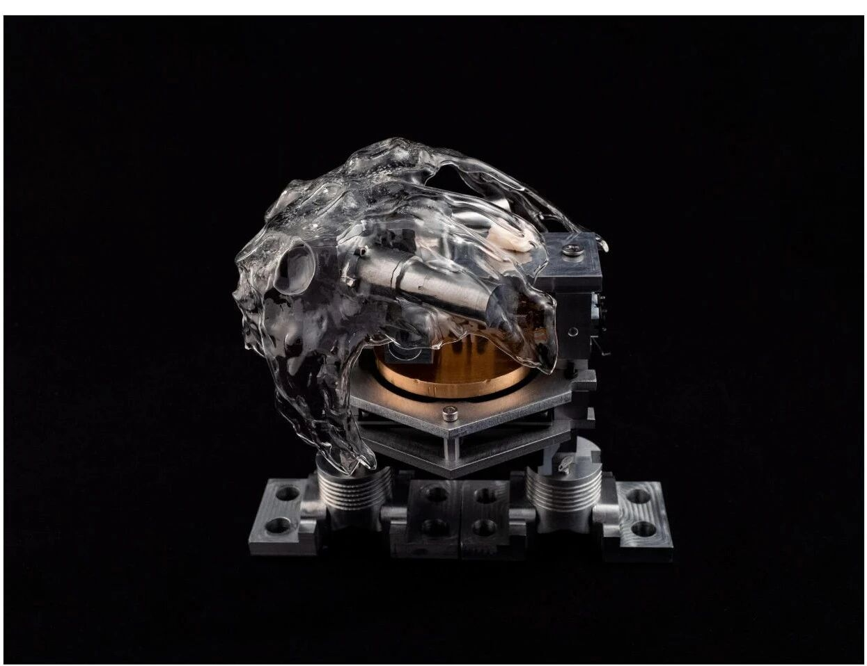 | https://kadist.org/work/living-distance/
12 | 2019-2021 | Tianshu Rocket | China | Xu Bing | Chinese private aerospace company (collaborative development of the launch vehicle) | Suborbital flight path within the Earth’s atmosphere — the Tianshu Rocket launched from China, carrying satellites and an art payload, but did not reach orbit as planned. | Rocket art / suborbital art / conceptual sculpture | In 2019, Xu Bing began using a rocket as an artistic medium. Two years later, the “Tianshu Rocket”—developed by a Chinese private aerospace company—was launched, its body covered with pseudo-characters from Xu Bing’s Book from the Sky. The rocket carried a 5.5 cm “Tianshu Cube” payload along with several satellites designed to transmit real-time images of the cube in outer space. After propulsion, the first, second, and third stages separated and fell back to Earth. The artist regarded the entire process—fire propulsion, atmospheric friction, and descent—as a collaboration between technology and natural forces, shaping the rocket into a co-created artwork. Although it failed to enter orbit due to technical issues, the project opened new discussions on the intersection between China’s space technology and contemporary art. | Suborbital flight within Earth’s atmosphere; related video and documentation presented in exhibitions of Xu Bing’s space art projects in China. Installation view of "Xu Bing Tianshu" Rocket Crater. Red Brcik Museum, Beijing, 2021 | 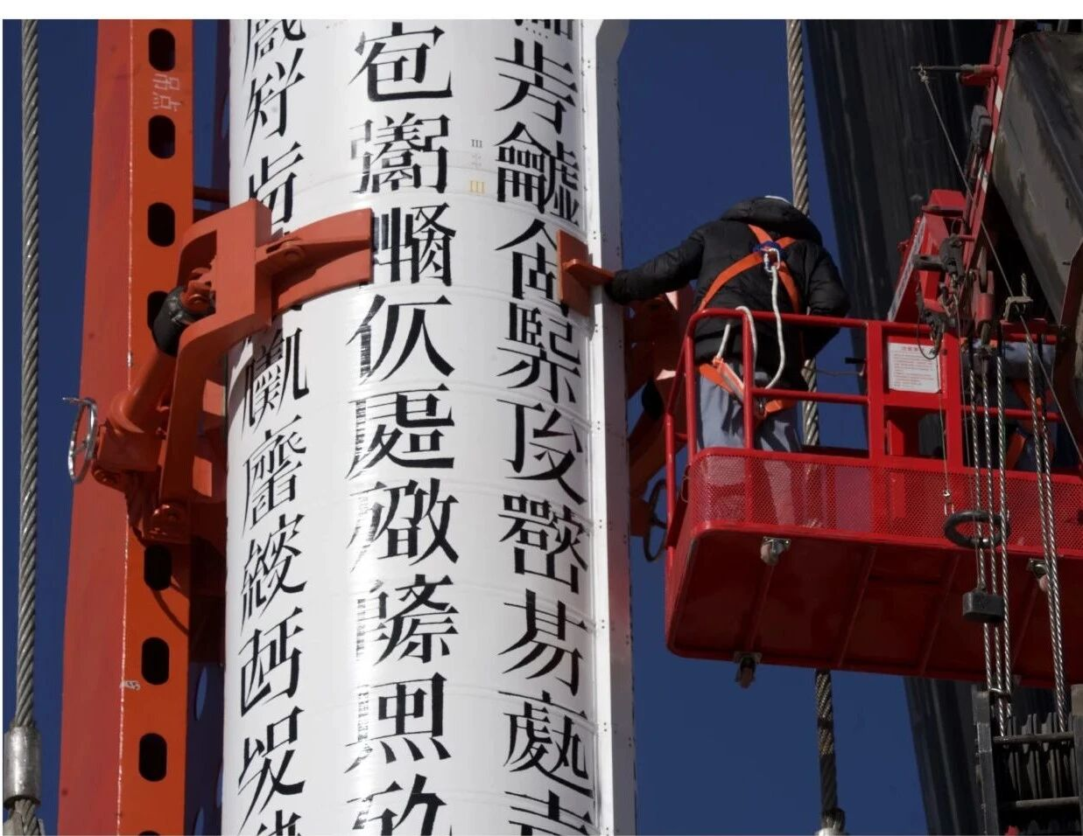 | https://www.xubing.com/en/work/details/707?type=project#707
13 | 2021–2023 | The Challenge (Вызов) | Russia | Directed by Klim Shipenko; starring Yulia Peresild; produced by Channel One Russia and Roscosmos | Roscosmos (Russian Space Agency); International Space Station (ISS) crew | International Space Station (ISS), orbiting Earth in Low Earth Orbit (~400 km altitude) Type Space film / cinematic performance / collaborative art–science project | On October 5 2021, the Russian space agency Roscosmos launched film director Klim Shipenko and actress Yulia Peresild to the International Space Station to shoot the feature film The Challenge—the first major motion picture filmed in space. Over twelve days aboard the ISS, they filmed scenes involving two Russian cosmonauts who also appeared in the movie. The story follows a doctor who must travel to space to save an astronaut’s life. The film premiered on April 20 2023 in Serbia and Russia. | Filmed aboard the ISS; theatrically released in Russia and Serbia in 2023. | Space film / cinematic performance / collaborative art–science project | 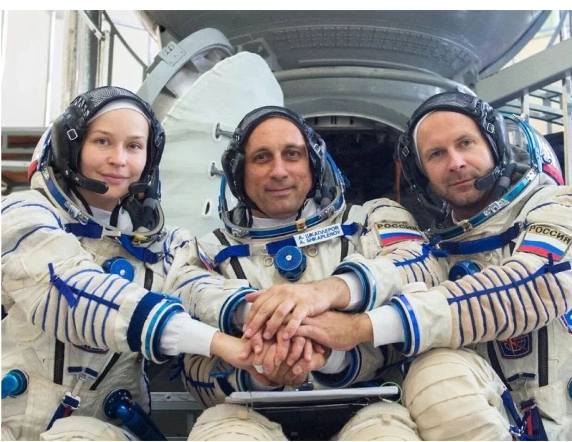 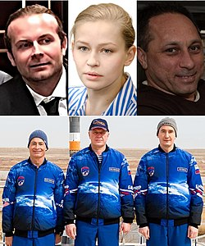 | https://ru.wikipedia.org/wiki/%D0%92%D1%8B%D0%B7%D0%BE%D0%B2_(%D1%84%D0%B8%D0%BB%D1%8C%D0%BC,_2023)
14 | 2018-2022 | Satellite Lake: Cosmic Reflections | China | Xu Bing | Chinese private satellite company (Ladybug No. 1 Satellite); ground control and data transmission teams | Low Earth Orbit (LEO) — aboard Ladybug No. 1 commercial satellite, launched in 2018 and operational until contact was lost in October 2022. | Satellite art / stop-motion animation / digital media project | Launched in 2018 by a Chinese private satellite company, Ladybug No. 1 entered low Earth orbit. In 2021, artist Xu Bing repurposed the decommissioned satellite’s redundant systems to create the world’s first stop-motion animation filmed in outer space, titled A Lake in the Sky. The satellite carried an external display and a selfie camera that could receive uploaded images from ground control. By capturing frames where the screen content appeared alongside extraterrestrial scenery, Xu Bing produced a digital animation in which his “Standard Man” figure runs through space carrying the “burden of civilization.” As the burden breaks open, phrases written in 56 languages spill out—29 of which entered space for the first time. The work explores the politics of language and communication in outer space. The satellite lost contact permanently in October 2022. | Created and transmitted from low Earth orbit; Museum： Red Brick Art Museum, Beijing, 2021-2022. Xie Zilong Photography Museum, Changsha, 2022 | 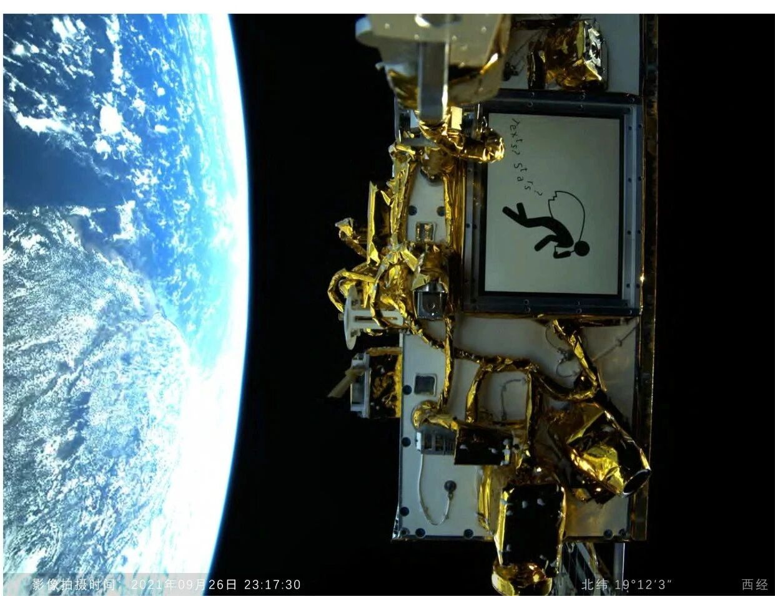 | https://www.xubing.com/cn/work/details/691?classID=15&type=class#691
15 | 2022 | Impossible object | Israel | Prof. Yasmine Meroz and Liat Segal | Israeli Space Agency; Ramon Foundation; Israel Aerospace Industries (IAI); in collaboration with NASA and the ISS National Lab Impossible Object was activated and documented on the International Space Station by astronaut Eitan Stibe during mission AX-1, April 2022, as part of Rakia Art Mission. Axiom Mission 1 (Ax-1) was the first private astronaut mission on the International Space Station (ISS), a collaborative effort between SpaceX (shuttle) on behalf of Axiom Space in cooperation with NASA, in which four crew members conducted science, art, and outreach activities. | International Space Station (ISS) | Space Art / Kinetic Sculpture / Science-Art Collaboration | Impossible Object is a sculpture made of liquid water. The liquid’s three-dimensional form does not get its shape from any vessel and as such cannot exist on Earth, but only in Outer Space in the absence of gravity. The sculpture is made of brass rods and tubes, through which water flows. With no gravitation to direct the water downwards, the water clings to the sculpture’s metal structure, forming a dynamic three-dimensional liquid structure, shaped by the water’s surface tension and adhesion forces. The sculpture resembles a wavy staircase that has no directionality. The work questions shape and form. In the absence of gravitation, what is the shape of a piece of sea or a handful of a wave? Impossible Object is a research-based artwork, where micro-gravity physics is the medium. | Earth-based exhibition video video recording, scientific data, and photographic documentation have been exhibited in Isreal Museum. The artwork Impossible Object is no longer aboard the International Space Station. The mission lasted about 17 days, during which the kinetic experiment was conducted and documented in microgravity. After the mission ended, the physical components of the artwork returned to Earth with the crew. | 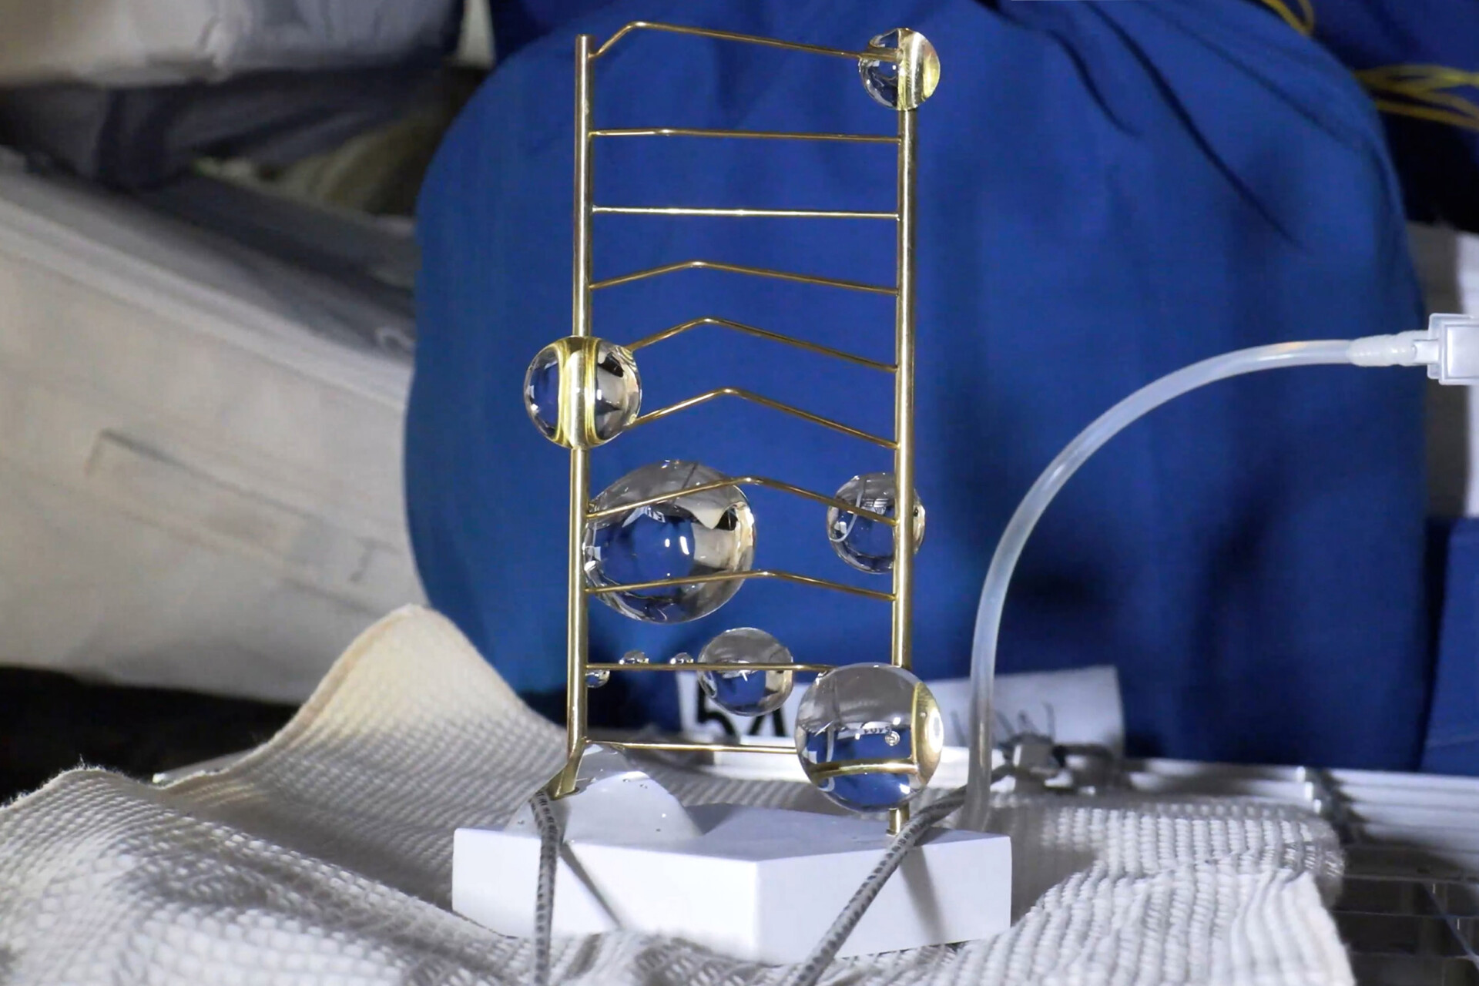 | https://www.liatsegal.com/impossible-object-art-in-outer-space/
16 | 2022 | Rakia Art Mission | Israel | 11 pieces Impossible Object Jump Deep Gravity Control Goal Dialogue at Eight Kilometers per Second Correspondence: A Visual Travelogue Nothing in space A Sound Guid to the ISS Earth Signal Universe Wide Space Jewel |  | International Space Station (ISS) |  | The Rakia Art Mission was an interdisciplinary art initiative launched as part of the Rakia Mission (2022) — the first Israeli private astronaut mission to the International Space Station (ISS), led by astronaut Eytan Stibbe under the auspices of the Ramon Foundation and the Israel Space Agency. Its goal was to explore how artistic practice could engage with space exploration, technology, and microgravity as creative media. | Earth-based exhibition Video | 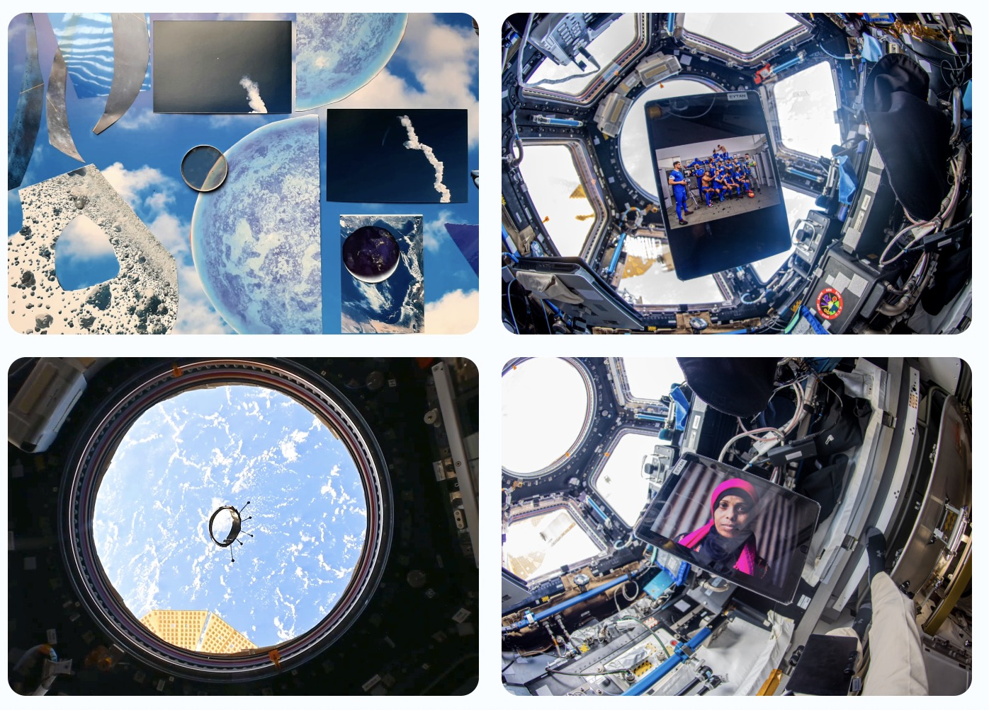 | https://www.rakiamission.com/art-en
17 | 2020-present （no later than 2026） | Moon Gallery | The Netherlands (headquarters and curatorial base, ESA–ESTEC, Noordwijk) | Moon Gallery Foundation (founded by Dr. Nahum Anaya Calderón and Dr. Alexander Ponomarev) — a collective of international artists, designers, engineers, and scientists | European Space Agency (ESA) – European Space Research and Technology Centre (ESTEC); International Space Station National Lab; Nanoracks; Ramon Foundation; NASA (partnership for Ax-1 mission) | International Space Station (ISS) | Artworks designed to be sent to the Moon. | The project aims to establish a cultural base on the Moon by sending a gallery installation of around 100 artworks, symbolically planting cultural “seeds” of an interplanetary society. The initiative explores which cultural values humanity will carry into the solar system, and how art can be part of a lunar human settlement. | Moon-based exhibition Moon Gallery for next generation By embedding art in space exploration, we hope to leave a cultural legacy that inspires dialogue, collaboration, and a sense of unity for generations to come. | 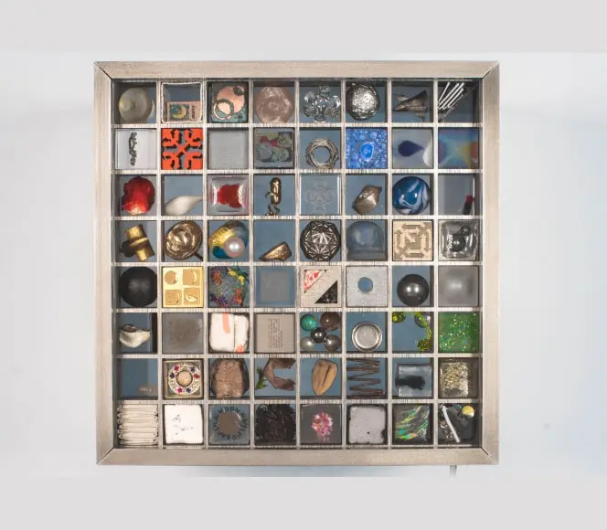 | https://moongallery.eu/about/
18 | 2017 | #Laugh | Israel | Eyal Gever |  | International Space Station (ISS) |  | Exploring what it means to be human through zero gravity and 3D computer technology. Gever is the first to have his work produced directly in space – using state-of-the-art 3D printing technology in zero gravity. | Earth-based exhibition+video 3D printing in ISS + video documentation | 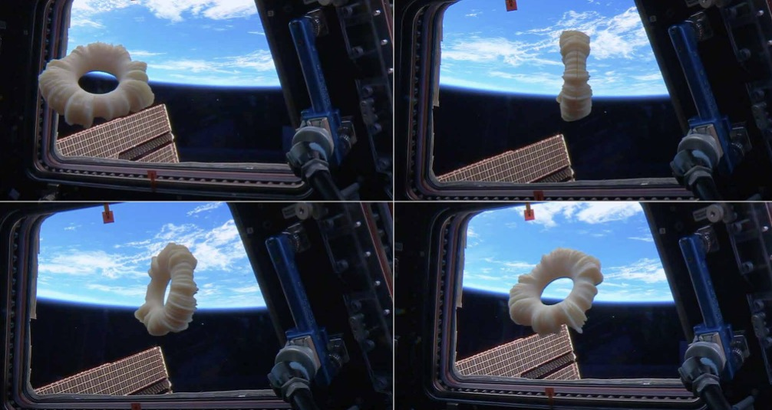 | https://www.eyalgever.com/laugh
19 | 2017 | Télescope Intérieur | France / Brazil (artist’s base) | Eduardo Kac (in collaboration with ESA astronaut Thomas Pesquet) | European Space Agency (ESA); CNES (French National Centre for Space Studies); International Space Station crew | International Space Station (ISS) | Space Art / Telepresence Art / Conceptual Performance | Télescope Intérieur (“Inner Telescope”) is a poetic and conceptual work created by Eduardo Kac in collaboration with French astronaut Thomas Pesquet aboard the ISS. Following Kac’s remote instructions, Pesquet cut and assembled a sheet of paper into a floating three-dimensional form resembling both a human figure and the word “Moi” (“me” in French). The sculpture, made entirely in microgravity, embodies the idea of the artist’s inner vision projected into outer space. The work questions identity, presence, and authorship beyond Earth, suggesting that true exploration begins not outward but inward. | Earth-based exhibition+video | 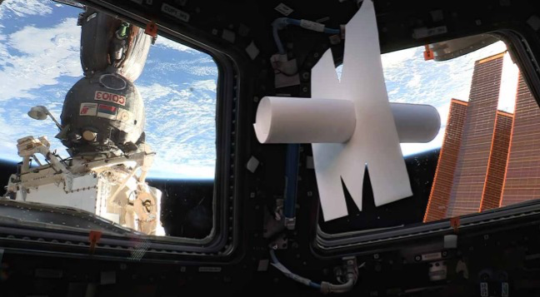 | https://www.ekac.org/telescope_interieur_francais.html
20 | 1986-2024 | Ágora | Brazil / United States | Eduardo Kac | Early telecommunication networks (1980s); later internet and interactive media platforms | deep space transplanetary orbit beyond the Earth-Moon system, into a heliocentric orbit (orbiting the Sun) more than 300 million kilometres from planet Earth | Space art | Ágora is a permanent work of space art. Ágora is a potential star … orbit around the Sun forever.” The artwork is not in a standard Earth orbit (like Low Earth Orbit or geostationary). Instead it will (or already will) be in a heliocentric orbit, beyond the Moon’s orbital distance, and at a distance possibly hundreds of millions of kilometres from Earth. |  | 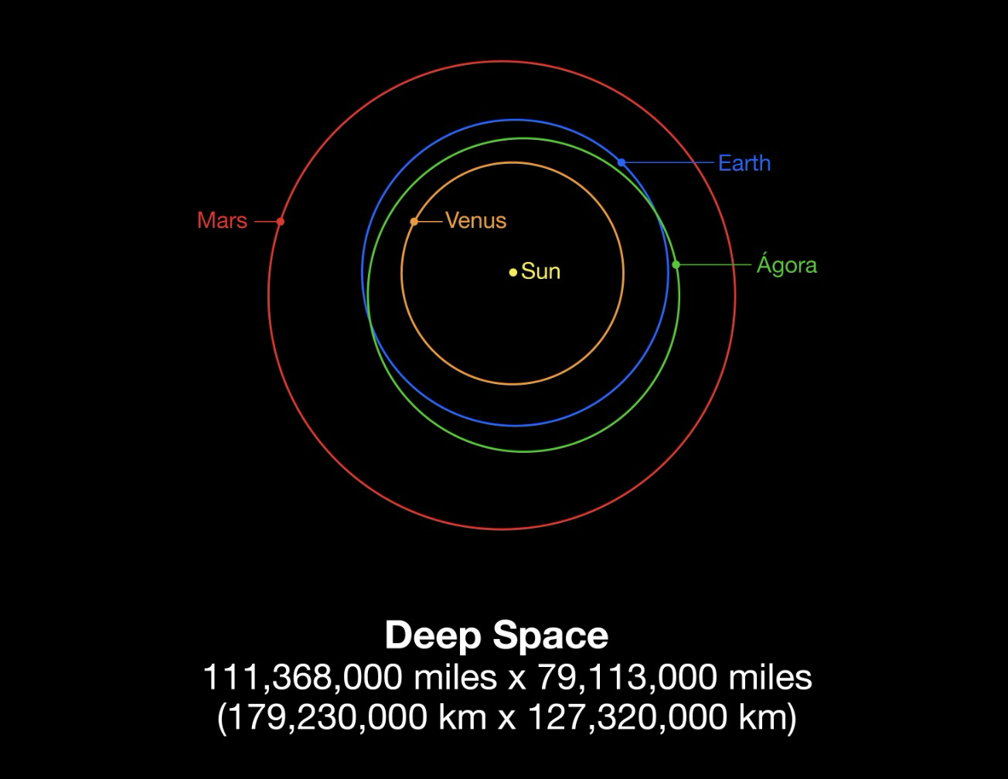 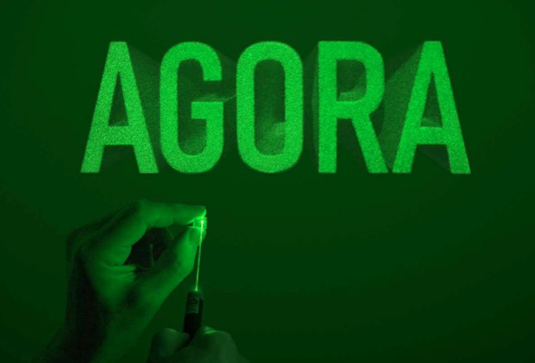 | https://www.ekac.org/agora.html
21 | 2016-present | Danse en zerogravité | France (based in Paris) | Jeanne Morel (co-founded with Paul Marlier) | CNES airbus A310 ZERO-G operated by Novespace (CNES, France) | Parabic aircraft still within Earth’s atmosphere During these flights, the aircraft follows a steep parabolic trajectory that produces approximately 22 seconds of weightlessness at the top of each arc. |  | Jeanne Morel, a dancer and artist, specialises in creating performances and artworks in extreme gravity environments (weightlessness, lunar/martian gravity simulations). Since October 2016 she has flown aboard parabolic flights (e.g., Airbus A310 Zero G) to carry out choreographies and body experiments in 0G together with Paul Marlier. They collect biometric data during these flights, and their company “Art In Space” works to extend artistic creation into the domain of space and extreme territory. The project explores how the human body, movement, dance and creativity can adapt when freed from or placed in altered gravity, and seeks to bring art, science and exploration into contact. | Earth-based exhibition+video | 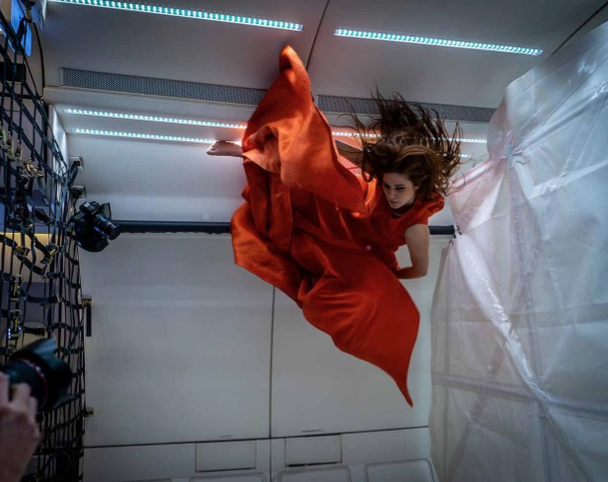 | Jeanne Morel Bio – “Art In Space” https://www.jeanne-morel.com/en/bio Art In Space website https://www.artinspace.fr/
22 | 2019 | Space/Craft | United States (Alexis Hope is based in Seattle, Washington) | Alexis Hope | MIT Media Lab Space Exploration Initiative (SEI) & CAMIT (Council for the Arts at MIT) | Parabic aircraft Microgravity environment via Zero-G parabolic flights aboard aircraft | Space Art / Design Research / Microgravity Craft Experiment | Space/Craft explores how sculpture and “making by hand” change in a zero-gravity environment. Using a hot-glue dispenser inside a containment cube during parabolic flight’s microgravity moments, Alexis Hope “draws in 3D” – the thin strands of glue float and form shapes that could not be created under Earth’s gravity. The work investigates how materially and physically the act of craft transforms when gravity is removed. | Earth-based exhibition+video | 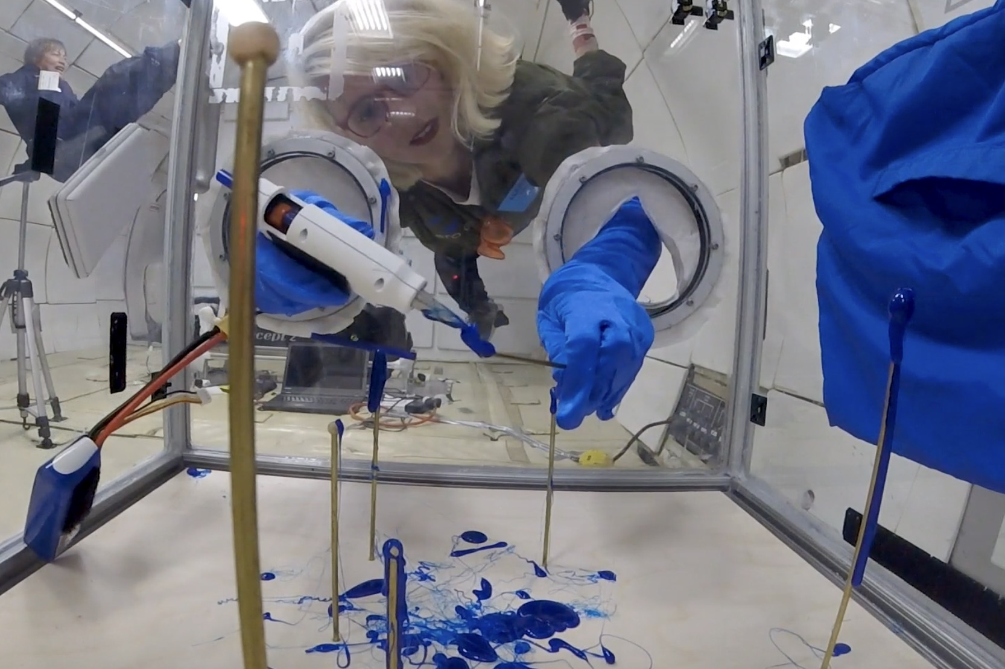 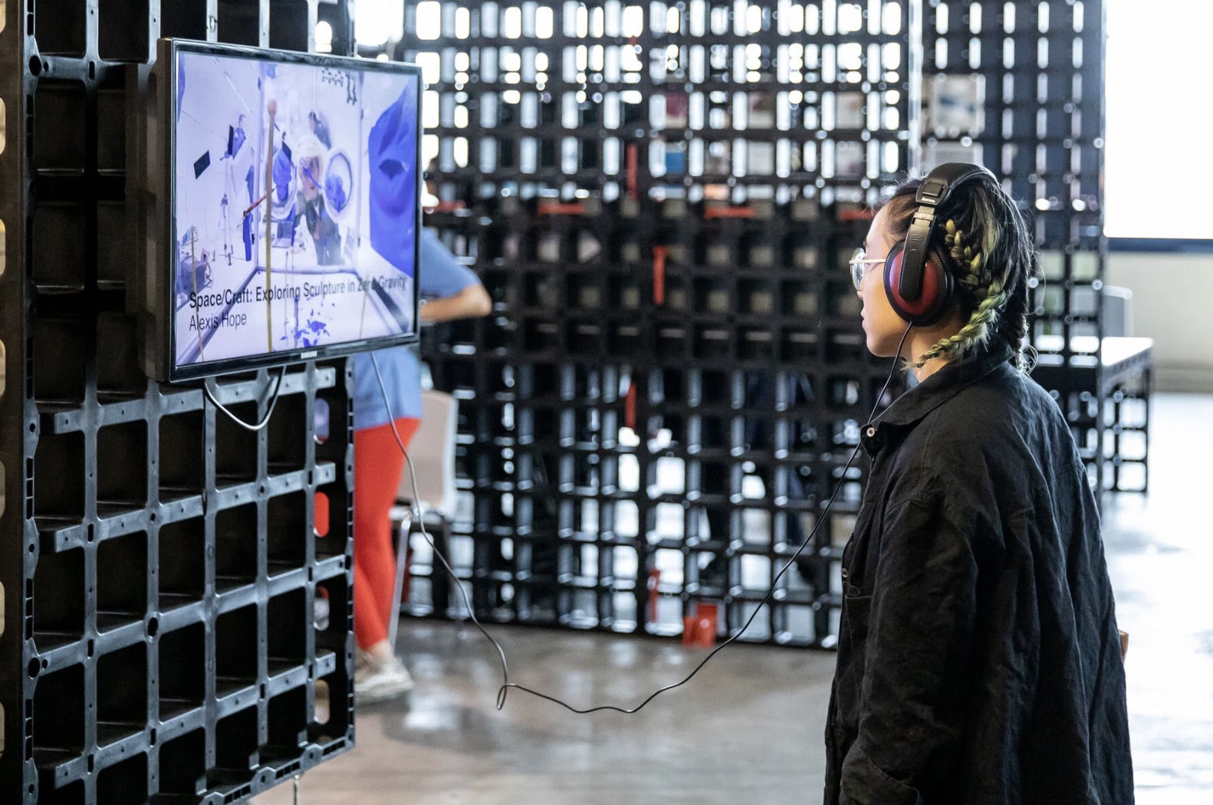 | https://www.media.mit.edu/posts/sei-exhibition-ars-electronica-2019/?utm_source=chatgpt.com https://www.alexishope.com/spacecraft?utm_source=chatgpt.com
23 | 2020-2022 | Fluid Expressions | United States (based at MIT Media Lab, Cambridge, MA) | Sana Sharma | MIT Media Lab Space Exploration Initiative; Zero‑G Corporation (Zero-G parabolic flights | Parabic aircraft Microgravity environment via Zero-G parabolic flights aboard aircraft | Space Art / Design Research / Microgravity Craft Experiment | Fluid Expressions is a dual research and art project that explores how fluid-based media behave in microgravity and how this behavior can be harnessed for novel artistic processes. The artist developed a hand-crafted “memory capsule” — a cylindrical acrylic tube with wood, brass, and leather elements — intended as a painter’s kit for space. The capsule was tested in parabolic flights (in May 2021 and 2022) to study how liquids and media behave when freed from Earth’s gravity. | Earth-based exhibition+video | 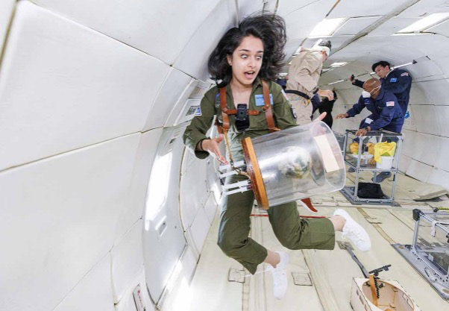 | https://www.gsdkirklandgallery.com/exhibitions/202104-fluid-expressions?utm_source=chatgpt.com
24 | 2024 2.3 | Xu Bing Art Satellite Creative Residency Project | China | Xu Bing & Xu Bing Studio (with invited artists via the Residency Program) | Beijing Wanhu Chuangshi Co., Ltd, satellite technology provider, plus satellite launch infrastructure (Star Chain series) | Low Earth Orbit | satellite art | The “Art Satellite Constellation Program” is jointly initiated by Xu Bing Studio and Beijing Origin Space Technology Co., Ltd. Its core mission is to establish an open, egalitarian, and interconnected platform for space art through the launch of a series of satellites. On February 3, 2024, the program successfully launched the world’s first shared art satellite, SCA-1, followed by SCA-2 in September 2024. Using these two satellites in orbit, the team launched the Xu Bing Art Satellite Residency Program, inviting artists and thinkers worldwide who possess a cosmic vision and strong intellectual curiosity to share access to the satellites. Within the unique environment of outer space—a domain beyond national borders and conventional legal systems—the project encourages participants to create new forms of art and to collectively explore this forward-looking field. So far, more than thirty artists have joined the residency, which is ongoing. Artists who have completed their space-based works (in order of residency): Zhang Wenchao, Gao Zhenpeng, Geng Xue, Wang Jiyu, Liu Jiaying (CryptoZR), Dong Chenchen, Yue Luping, Hao Ruichang, Eduardo Kac, Fu Junhao, Qiu Yu, Park Meili, Hong Sunmyung, Ryu Shinting, Three-Body Universe, Cao Shu, and Cao Zheng. | Earth-based exhibition | 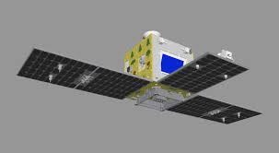 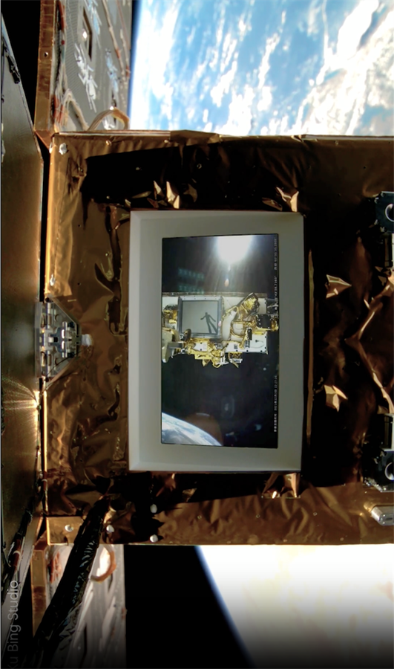 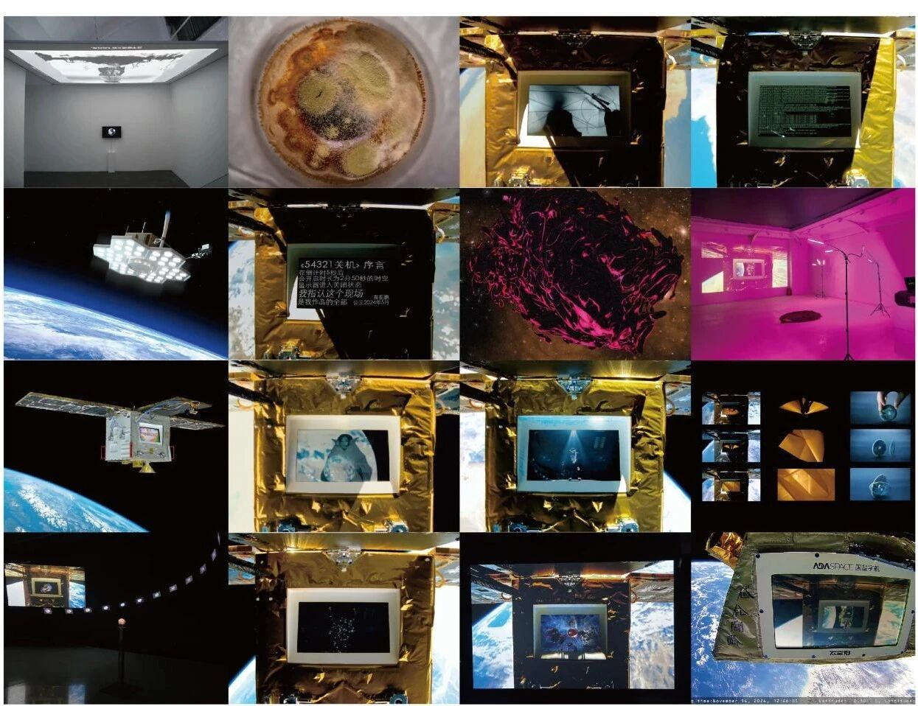 | https://mp.weixin.qq.com/s/vpNAc_WFbopfJ1GcTJwynA
25 | 2024. 2.15 | Moon Phases | United States | Jeff Koons (American contemporary artist) | Intuitive Machines (Nova-C lunar lander); SpaceX (Falcon 9 launch vehicle); NASA CLPS Program | Lunar surface — aboard the Intuitive Machines Nova-C lander, launched on February 15 2024 by SpaceX’s Falcon 9 and successfully landed on the Moon on February 22 2024. | Lunar art / sculpture / NFT hybrid project | Moon Phases by Jeff Koons is the first officially authorized artwork on the Moon. The project comprises 125 sets, each including three components: a sculpture permanently installed on the lunar surface, a corresponding sculpture on Earth, and a linked NFT. The 125 miniature lunar sculptures were housed in a transparent cube aboard the Intuitive Machines lander, representing the unity of art, technology, and human aspiration in the new space era. | Located on the lunar surface; corresponding Earth sculptures and NFTs exhibited and sold globally. | 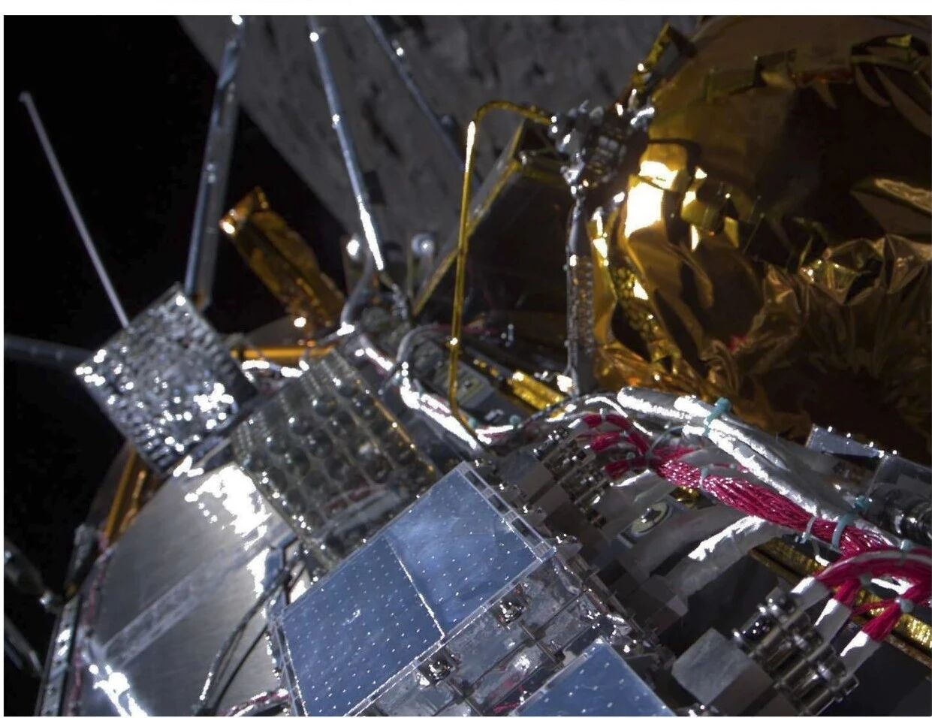 | https://jeffkoonsmoonphases.com

